Oil Cooler assembly 6D140
PT SAPTAINDRA SEJATI
PLANT REBUILD CENTER

WATER LEAK TEST CHECK SHEET OIL COOLER ASSY KOMATSU ENGINE 6D140 SERIES |  |  |  |  |  | WO NUMBER |  |  |  |  |  |  | DOCUMENT NO
 |  |  |  |  |  | ENGINE MODEL |  |  | 6D140 SERIES |  |  |  | PUBLISHED DATE
 |  |  |  |  |  | ENGINE S/N |  |  |  |  |  |  | REVISION NO |  |  | 01
 |  |  |  |  |  | MACHINE MODEL |  |  |  |  |  |  | PAGE

PROCESS |  |  | START |  |  |  |  | TEST BY
 |  |  | FINISH

a
NO | PARTS | CHECK |  | CONDITION TO BE CHECKED |  |  |  | SPEC. |  |  | SIGN |  |  | REMARKS (SKETCH, PHOTOES,
 |  | POINT |  |  |  |  |  |  |  |  | MEC | QA | SPV | COMMENTS)
1 | Core Element |  |  | ● | Check Element normal condition. |  |  | Visual check
 |  |  |  |  | ( broken from bend,rust etc )
 |  |  |  | ● | Install hook/hanger (a).

1
2
2 | Plug,adapter and Air inlet connector |  |  | ● | Install plug on housing (1).

 |  |  |  | ● | Install adapter and use O ring (2)

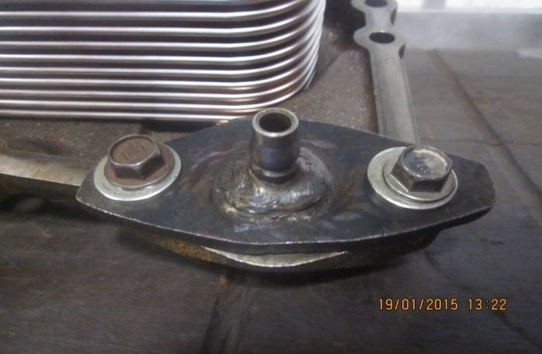
3
 |  |  |  | ● | Install inlet air connector and use
 |  |  |  |  | sealant or rubber for this connector (3)

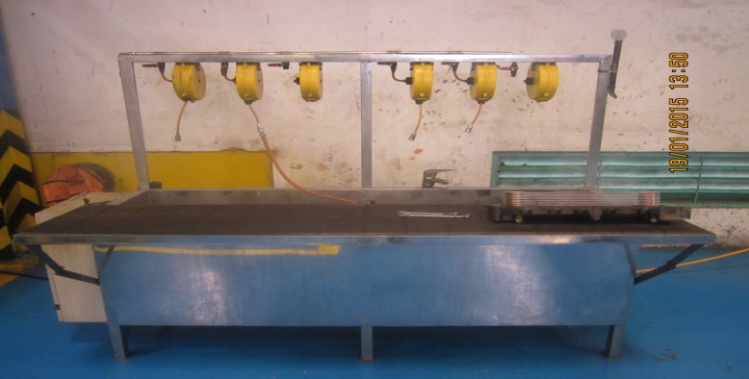
b
3 | Water leak tester and indicator |  |  | ● | Prepare water leak tester tool (b) |  |  | Water leak tester tool

 |  |  |  | ● | Setting water temperature at standar |  |  | STD range tmpratur 75° ~ 90°C (Shop manual)
 |  |  |  |  | range '( c ).
 |  |  |  |  | Actual : °C
d
c
 |  |  |  | ● | Setting air pressure on Regulator valve (d) |  |  | 3 ~ 4 kg/cm (Reman manual)
 |  |  |  |  | Actual : Kg/cm

4 | Water leak test oil cooler |  |  | ● | Install coupler and test oil cooler assy |  |  | 5 Minutes (Reman manual)
 |  |  |  |  | Time for test
 |  |  |  |  | Actual : Minutes

Comment :

 | ASSEMBLY BY |  |  |  |  |  |  |  |  | INSPECTION & APPROVED BY

 |  |  |  |  |  |  |  |  |  |  |  |  |  |  | __________________________
 | MECHANIC (MEC ) |  |  |  |  |  | QUALITY ASSURANCE ( QA ) |  |  |  |  |  |  |  | GL/SPV PRODUCTION

